HW1
$$N^{3}≥Re^{2.25}$$
$$N_{T}=N_{t}∗N^{3}≥Re^{3}$$
 |  |  | (a) |  | (b)
 | Reynolds | Mesh | Non-dim' | Compute | Timestep | Non-dim' | Compute
 | No. | Size | Unit | Cost | Factor | Unit | Cost | (a) | (b)
Size Dependency, Linear
Computatiotn Cost Dependency, Linear
 | Re | N3 | N3, ND | Csp | NT | NT, ND | Ctm
 | # | # | # | # | # | # | #
1 | 1.00E+04 | 1.00E+09 | 1.00 | 1.00 | 1.00E+12 | 1.0 | 1.0
2 | 2.00E+04 | 4.76E+09 | 4.76 | 4.76 | 8.00E+12 | 8.0 | 8.0
3 | 3.00E+04 | 1.18E+10 | 11.84 | 11.84 | 2.70E+13 | 27.0 | 27.0
4 | 4.00E+04 | 2.26E+10 | 22.63 | 22.63 | 6.40E+13 | 64.0 | 64.0
5 | 5.00E+04 | 3.74E+10 | 37.38 | 37.38 | 1.25E+14 | 125.0 | 125.0
6 | 6.00E+04 | 5.63E+10 | 56.34 | 56.34 | 2.16E+14 | 216.0 | 216.0
7 | 7.00E+04 | 7.97E+10 | 79.70 | 79.70 | 3.43E+14 | 343.0 | 343.0
8 | 8.00E+04 | 1.08E+11 | 107.63 | 107.63 | 5.12E+14 | 512.0 | 512.0
9 | 9.00E+04 | 1.40E+11 | 140.30 | 140.30 | 7.29E+14 | 729.0 | 729.0
10 | 1.00E+05 | 1.78E+11 | 177.83 | 177.83 | 1.00E+15 | 1000.0 | 1000.0

Size Dependency, Logarithmic
Computation Cost Dependency, Logarithmic
 | dx1 | N1 | N13 | dt1 | T1 | Nt1
 | 1 | 2 | 8 | 1 | 4 | 4
 | dx2 | N2 | N23 | dt2 | T2 | Nt2
 | 0.5 | 4 | 64 | 0.5 | 4 | 8

HW2
HW-2.5-b
 |  | Core's |  | Nodes |  | Total |  |  | Total | Nodes
 | Total | Availability | Cores | Processable | sl. | Processable | Bubble | sl. | Volume of | Across dia | Number of
Sl. | Cores | Factor | Available | by Cores | Nd | Nodes | Percentage | Vbt | Bubble | of Bubble | Bubbles
 | Nc | av | Na | no |  | Nd | vf |  | VbT | nd | nbb | Givens
1 | 8,730,112 | 0.25 | 2,182,528 | 2,048 | 1 | 4.47E+09 | 0.02 | 1 | 8.94E+07 | 10 | 170,734 | av | 0.25 | 0.5 | 0.75
2 |  |  |  |  |  |  |  |  |  | 20 | 21,342 | no | 2,048 | 4,096 | 8,192
3 |  |  |  |  |  |  |  |  |  | 30 | 6,323 | vf | 0.02 | 0.04 | 0.08
4 |  |  |  |  |  |  | 0.04 | 2 | 1.79E+08 | 10 | 341,469 | nd | 10 | 20 | 30
5 |  |  |  |  |  |  |  |  |  | 20 | 42,684
6 |  |  |  |  |  |  |  |  |  | 30 | 12,647
7 |  |  |  |  |  |  | 0.08 | 3 | 3.58E+08 | 10 | 682,938
8 |  |  |  |  |  |  |  |  |  | 20 | 85,367
9 |  |  |  |  |  |  |  |  |  | 30 | 25,294
10 |  |  |  | 4,096 | 2 | 8.94E+09 | 0.02 | 4 | 1.79E+08 | 10 | 341,469
11 |  |  |  |  |  |  |  |  |  | 20 | 42,684
Size Dependency, Linear
12 |  |  |  |  |  |  |  |  |  | 30 | 12,647
13 |  |  |  |  |  |  | 0.04 | 5 | 3.58E+08 | 10 | 682,938
14 |  |  |  |  |  |  |  |  |  | 20 | 85,367
15 |  |  |  |  |  |  |  |  |  | 30 | 25,294
16 |  |  |  |  |  |  | 0.08 | 6 | 7.15E+08 | 10 | 1,365,876
17 |  |  |  |  |  |  |  |  |  | 20 | 170,734
18 |  |  |  |  |  |  |  |  |  | 30 | 50,588
19 |  |  |  | 8,192 | 3 | 1.79E+10 | 0.02 | 7 | 3.58E+08 | 10 | 682,938
20 |  |  |  |  |  |  |  |  |  | 20 | 85,367
21 |  |  |  |  |  |  |  |  |  | 30 | 25,294
22 |  |  |  |  |  |  | 0.04 | 8 | 7.15E+08 | 10 | 1,365,876
23 |  |  |  |  |  |  |  |  |  | 20 | 170,734
24 |  |  |  |  |  |  |  |  |  | 30 | 50,588
25 |  |  |  |  |  |  | 0.08 | 9 | 1.43E+09 | 10 | 2,731,751
26 |  |  |  |  |  |  |  |  |  | 20 | 341,469
27 |  |  |  |  |  |  |  |  |  | 30 | 101,176
28 |  |  |  | This value is not influenced by av | 4 | 3.39E+11 | 0.02 | 10 | 6.78E+09 | 10 | 12,951,784
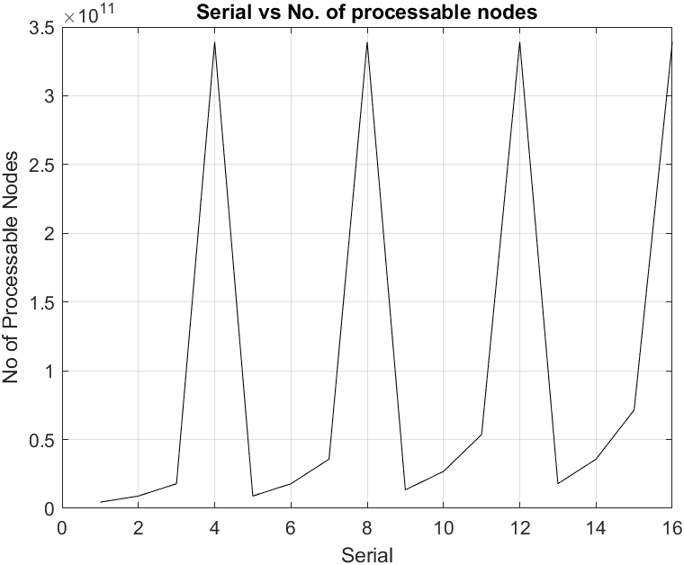
29 |  |  |  |  |  |  |  |  |  | 20 | 1,618,973
30 |  |  |  |  |  |  |  |  |  | 30 | 479,696
31 |  |  |  |  |  |  | 0.04 | 11 | 1.36E+10 | 10 | 25,903,569
32 |  |  |  |  |  |  |  |  |  | 20 | 3,237,946
33 |  |  |  |  |  |  |  |  |  | 30 | 959,391
34 |  |  |  |  |  |  | 0.08 | 12 | 2.71E+10 | 10 | 51,807,138
35 |  |  |  |  |  |  |  |  |  | 20 | 6,475,892
36 |  |  |  |  |  |  |  |  |  | 30 | 1,918,783
37 |  | 0.5 | 4,365,056 | 2,048 | 5 | 8.94E+09 | 0.02 | 13 | 1.79E+08 | 10 | 341,469
38 |  |  |  |  |  |  |  |  |  | 20 | 42,684
39 |  |  |  |  |  |  |  |  |  | 30 | 12,647
40 |  |  |  |  |  |  | 0.04 | 14 | 3.58E+08 | 10 | 682,938
41 |  |  |  |  |  |  |  |  |  | 20 | 85,367
42 |  |  |  |  |  |  |  |  |  | 30 | 25,294
43 |  |  |  |  |  |  | 0.08 | 15 | 7.15E+08 | 10 | 1,365,876
44 |  |  |  |  |  |  |  |  |  | 20 | 170,734
45 |  |  |  |  |  |  |  |  |  | 30 | 50,588
46 |  |  |  | 4,096 | 6 | 1.79E+10 | 0.02 | 16 | 3.58E+08 | 10 | 682,938
47 |  |  |  |  |  |  |  |  |  | 20 | 85,367
48 |  |  |  |  |  |  |  |  |  | 30 | 25,294
49 |  |  |  |  |  |  | 0.04 | 17 | 7.15E+08 | 10 | 1,365,876
50 |  |  |  |  |  |  |  |  |  | 20 | 170,734
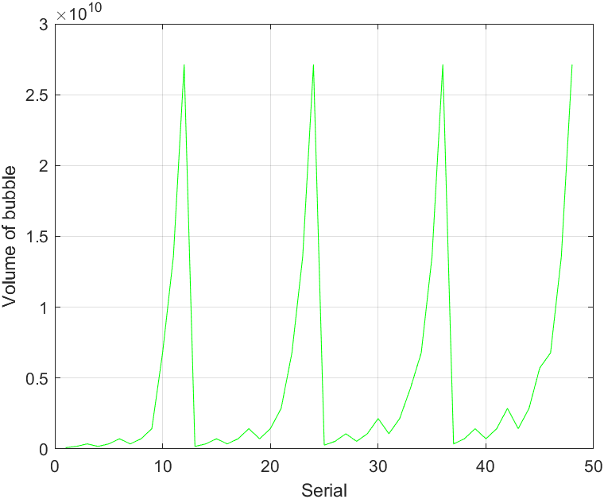
51 |  |  |  |  |  |  |  |  |  | 30 | 50,588
52 |  |  |  |  |  |  | 0.08 | 18 | 1.43E+09 | 10 | 2,731,751
53 |  |  |  |  |  |  |  |  |  | 20 | 341,469
54 |  |  |  |  |  |  |  |  |  | 30 | 101,176
55 |  |  |  | 8,192 | 7 | 3.58E+10 | 0.02 | 19 | 7.15E+08 | 10 | 1,365,876
56 |  |  |  |  |  |  |  |  |  | 20 | 170,734
57 |  |  |  |  |  |  |  |  |  | 30 | 50,588
58 |  |  |  |  |  |  | 0.04 | 20 | 1.43E+09 | 10 | 2,731,751
59 |  |  |  |  |  |  |  |  |  | 20 | 341,469
60 |  |  |  |  |  |  |  |  |  | 30 | 101,176
61 |  |  |  |  |  |  | 0.08 | 21 | 2.86E+09 | 10 | 5,463,502
62 |  |  |  |  |  |  |  |  |  | 20 | 682,938
63 |  |  |  |  |  |  |  |  |  | 30 | 202,352
64 |  |  |  | (repeat) | 8 | 3.39E+11 | 0.02 | 22 | 6.78E+09 | 10 | 12,951,784
65 |  |  |  |  |  |  |  |  |  | 20 | 1,618,973
66 |  |  |  |  |  |  |  |  |  | 30 | 479,696
67 |  |  |  |  |  |  | 0.04 | 23 | 1.36E+10 | 10 | 25,903,569
68 |  |  |  |  |  |  |  |  |  | 20 | 3,237,946
69 |  |  |  |  |  |  |  |  |  | 30 | 959,391
70 |  |  |  |  |  |  | 0.08 | 24 | 2.71E+10 | 10 | 51,807,138
71 |  |  |  |  |  |  |  |  |  | 20 | 6,475,892
72 |  |  |  |  |  |  |  |  |  | 30 | 1,918,783
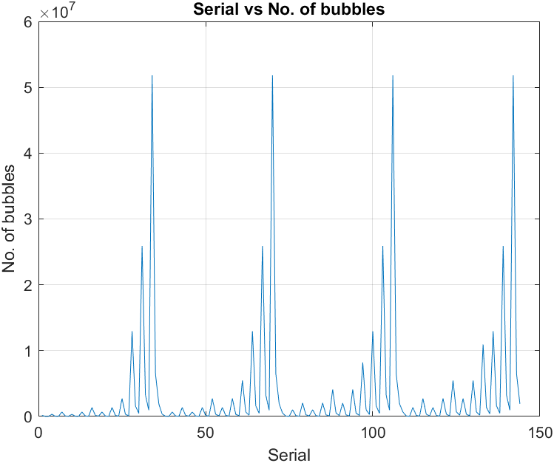
73 |  | 0.75 | 6,547,584 | 2,048 | 9 | 1.34E+10 | 0.02 | 25 | 2.68E+08 | 10 | 512,203
74 |  |  |  |  |  |  |  |  |  | 20 | 64,025
75 |  |  |  |  |  |  |  |  |  | 30 | 18,970
76 |  |  |  |  |  |  | 0.04 | 26 | 5.36E+08 | 10 | 1,024,407
77 |  |  |  |  |  |  |  |  |  | 20 | 128,051
78 |  |  |  |  |  |  |  |  |  | 30 | 37,941
79 |  |  |  |  |  |  | 0.08 | 27 | 1.07E+09 | 10 | 2,048,813
80 |  |  |  |  |  |  |  |  |  | 20 | 256,102
81 |  |  |  |  |  |  |  |  |  | 30 | 75,882
82 |  |  |  | 4,096 | 10 | 2.68E+10 | 0.02 | 28 | 5.36E+08 | 10 | 1,024,407
83 |  |  |  |  |  |  |  |  |  | 20 | 128,051
84 |  |  |  |  |  |  |  |  |  | 30 | 37,941
85 |  |  |  |  |  |  | 0.04 | 29 | 1.07E+09 | 10 | 2,048,813
86 |  |  |  |  |  |  |  |  |  | 20 | 256,102
87 |  |  |  |  |  |  |  |  |  | 30 | 75,882
88 |  |  |  |  |  |  | 0.08 | 30 | 2.15E+09 | 10 | 4,097,627
89 |  |  |  |  |  |  |  |  |  | 20 | 512,203
90 |  |  |  |  |  |  |  |  |  | 30 | 151,764
91 |  |  |  | 8,192 | 11 | 5.36E+10 | 0.02 | 31 | 1.07E+09 | 10 | 2,048,813
92 |  |  |  |  |  |  |  |  |  | 20 | 256,102
93 |  |  |  |  |  |  |  |  |  | 30 | 75,882
94 |  |  |  |  |  |  | 0.04 | 32 | 2.15E+09 | 10 | 4,097,627
95 |  |  |  |  |  |  |  |  |  | 20 | 512,203
96 |  |  |  |  |  |  |  |  |  | 30 | 151,764
97 |  |  |  |  |  |  | 0.08 | 33 | 4.29E+09 | 10 | 8,195,253
98 |  |  |  |  |  |  |  |  |  | 20 | 1,024,407
99 |  |  |  |  |  |  |  |  |  | 30 | 303,528
100 |  |  |  | (repeat) | 12 | 3.39E+11 | 0.02 | 34 | 6.78E+09 | 10 | 12,951,784
101 |  |  |  |  |  |  |  |  |  | 20 | 1,618,973
102 |  |  |  |  |  |  |  |  |  | 30 | 479,696
103 |  |  |  |  |  |  | 0.04 | 35 | 1.36E+10 | 10 | 25,903,569
104 |  |  |  |  |  |  |  |  |  | 20 | 3,237,946
105 |  |  |  |  |  |  |  |  |  | 30 | 959,391
106 |  |  |  |  |  |  | 0.08 | 36 | 2.71E+10 | 10 | 51,807,138
107 |  |  |  |  |  |  |  |  |  | 20 | 6,475,892
108 |  |  |  |  |  |  |  |  |  | 30 | 1,918,783
109 |  | 1 | 8,730,112 | 2,048 | 13 | 1.79E+10 | 0.02 | 37 | 3.58E+08 | 10 | 682,938
110 |  |  |  |  |  |  |  |  |  | 20 | 85,367
111 |  |  |  |  |  |  |  |  |  | 30 | 25,294
112 |  |  |  |  |  |  | 0.04 | 38 | 7.15E+08 | 10 | 1,365,876
113 |  |  |  |  |  |  |  |  |  | 20 | 170,734
114 |  |  |  |  |  |  |  |  |  | 30 | 50,588
115 |  |  |  |  |  |  | 0.08 | 39 | 1.43E+09 | 10 | 2,731,751
116 |  |  |  |  |  |  |  |  |  | 20 | 341,469
117 |  |  |  |  |  |  |  |  |  | 30 | 101,176
118 |  |  |  | 4,096 | 14 | 3.58E+10 | 0.02 | 40 | 7.15E+08 | 10 | 1,365,876
119 |  |  |  |  |  |  |  |  |  | 20 | 170,734
120 |  |  |  |  |  |  |  |  |  | 30 | 50,588
121 |  |  |  |  |  |  | 0.04 | 41 | 1.43E+09 | 10 | 2,731,751
122 |  |  |  |  |  |  |  |  |  | 20 | 341,469
123 |  |  |  |  |  |  |  |  |  | 30 | 101,176
124 |  |  |  |  |  |  | 0.08 | 42 | 2.86E+09 | 10 | 5,463,502
125 |  |  |  |  |  |  |  |  |  | 20 | 682,938
126 |  |  |  |  |  |  |  |  |  | 30 | 202,352
127 |  |  |  | 8,192 | 15 | 7.15E+10 | 0.02 | 43 | 1.43E+09 | 10 | 2,731,751
128 |  |  |  |  |  |  |  |  |  | 20 | 341,469
129 |  |  |  |  |  |  |  |  |  | 30 | 101,176
130 |  |  |  |  |  |  | 0.04 | 44 | 2.86E+09 | 10 | 5,463,502
131 |  |  |  |  |  |  |  |  |  | 20 | 682,938
132 |  |  |  |  |  |  |  |  |  | 30 | 202,352
133 |  |  |  |  |  |  | 0.08 | 45 | 5.72E+09 | 10 | 10,927,005
134 |  |  |  |  |  |  |  |  |  | 20 | 1,365,876
135 |  |  |  |  |  |  |  |  |  | 30 | 404,704
136 |  |  |  | (repeat) | 16 | 3.39E+11 | 0.02 | 46 | 6.78E+09 | 10 | 12,951,784
137 |  |  |  |  |  |  |  |  |  | 20 | 1,618,973
138 |  |  |  |  |  |  |  |  |  | 30 | 479,696
139 |  |  |  |  |  |  | 0.04 | 47 | 1.36E+10 | 10 | 25,903,569
140 |  |  |  |  |  |  |  |  |  | 20 | 3,237,946
141 |  |  |  |  |  |  |  |  |  | 30 | 959,391
142 |  |  |  |  |  |  | 0.08 | 48 | 2.71E+10 | 10 | 51,807,138
143 |  |  |  |  |  |  |  |  |  | 20 | 6,475,892
144 |  |  |  |  |  |  |  |  |  | 30 | 1,918,783

